Pile Cap Calculations
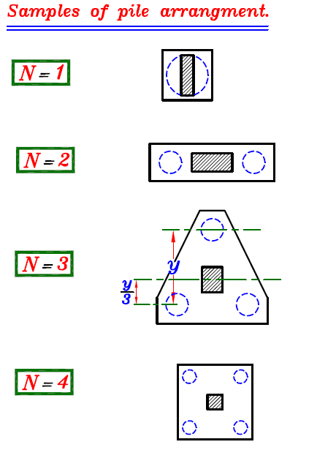
Footing Pile Cap Design
Project : |  |  | Footing Number : |  |  |  | Engineer : |  |  |  |  |  |  |  | Date :
1.Input Data |  |  |  | SI-Units | FPS-Units |  | 5.Pile Arrangement |  |  |  |  |  |  |  |  |  |  |  |  |  |  | Type of Pile cap Footing can be used in this sheet
 | Column. width (b) | = | 1 | m | 39.4 | in | Required No. of Piles = |  |  |  |  |  |  | 10.4 |  |  |  |  |  |  |  |  |  |  |  | Y
 | Column. depth (h) | = | 0.6 | m | 23.6 | in |  | Use number of total pile = |  |  |  |  |  | 11.0
2.Material Properties |  |  |  |  |  |  | X - direction |  |  |  |  | FPS-Units |  | Y - direction |  |  |  | FPS-Units |  |  |  |  |  |  | 11 |  | 12
 |  |  |  |  |  |  | number of row |  |  | 3 |  |  |  | number of column |  | 4 |  |  |  |  |  |  |  |  |  |  |  |  |  | X
 |  |  |  |  |  |  | number of pile on each row |  |  | 4 |  |  |  | number of pile on each column |  | 3 |  |  |  |  |  |  |  |  | 21 |  | 22
Rebar | fy | = | 420 | Mpa | 60.9 | ksi | spacing between pile |  |  | 3 | m | 118.1 | inch | spacing between pile |  | 3 | m | 118.1 | inch
 |  |  |  |  |  |  | spacing at edge of footing |  |  | 1 | m | 39.4 | inch | spacing at edge of footing |  | 1 | m | 39.4 | inch
Concrete | fc' | = | 24 | Mpa | 3.5 | ksi | total length |  |  | 11 | m | 433.1 | inch | total width |  | 8 | m | 315.0 | inch
 |  |  |  |  |  |  | dx-1 |  |  | 3 | m | 118.1 | inch | dy-1 |  | 3 | m | 118.1 | inch |  |  |  |  | 11 |  | 12 |  | 13
 |  |  |  |  |  |  | dx-2 |  |  | 0 | m | 0.0 | inch | dy-2 |  | 0 | m | 0.0 | inch |  |  |  |  |  |  |  |  |  |  |  | X
Modulus of Elasticity steel bars (Es) = |  |  | 200,000 | Mpa | 29007.6 | ksi |  |  | 1.5 |  |  |  |  |  |  |  |  |  |  |  |  |  |  | 21 |  | 22 |  | 23
Modulus of Elasticity of Concrete (Ec) = |  |  | 23,025 | Mpa | 3339.5 | ksi
 | n | = | 9

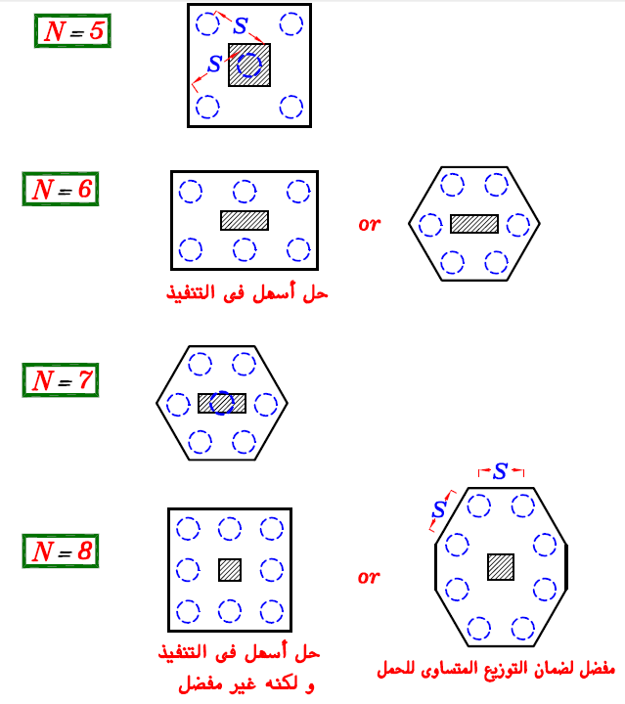
3.Pile data (From Geo-Technical Report) |  |  |  |  |  |  |  |  |  |  |  |  |  |  |  |  |  |  |  |  |  |  | 11 |  | 12 |  | 13 |  | 14
Pile diameter/width (D) |  | = | 1 | m | 39.4 | in |  |  |  |  |  |  |  |  |  |  |  |  |  |  |  |  |  |  |  |  |  |  |  |  |  | X
safe load of pile (Capacity) |  | = | 800 | KN | 179.8 | Kip |  |  |  |  |  |  |  |  |  |  |  |  |  |  |  |  | 21 |  | 22 |  | 23 |  | 24
length of Pile (L) |  |  | 14 | m | 551.2 | in
4.Loadind Data
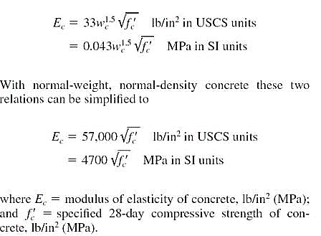
 | Axial Load (Px) | = | 0 | KN | 0.0 | Kip
 | Axial Load (Py) |  | 0 | KN | 0.0 | Kip |  |  |  |  |  |  |  |  |  |  |  |  |  |  |  |  |  | 11 |  | 12 |  | 13
 | Axial Load (Pz) |  | 7,130 | KN | 1602.9 | Kip
 | Mx | = | 85 | KN-m | 62.7 | Kip-ft |  |  |  |  |  |  |  |  |  |  |  |  |  |  |  |  |  | 21 |  | 22 |  | 23 |  |  | X
 | My | = | 330 | KN-m | 243.4 | Kip-ft
 | Mz | = | 0 | KN-m | 0.0 | Kip-ft |  |  |  |  |  |  |  |  |  |  |  |  |  |  |  |  |  | 31 |  | 32 |  | 33

4. Spring Constant or Point Spring (Kv)
Area of Cross Section of Pile (A) |  | = | 0.7854 | m2 | 0.2 | in2
Spring Constant (K=(EA/L) = |  |  | 1,291,711 | KN/m | 7375.9 | kip/in |  |  |  |  |  |  |  |  |  |  |  |  |  |  |  |  | 11 |  | 12 |  | 13 |  | 14

 |  |  |  |  |  |  |  |  |  |  |  |  |  |  |  |  |  |  |  |  |  |  | 21 |  | 22 |  | 23 |  | 24 |  |  | X
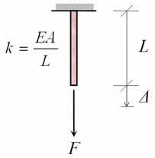
 |  |  |  |  |  |  |  |  |  |  |  |  |  |  |  |  |  |  |  |  |  |  | 31 |  | 32 |  | 33 |  | 34

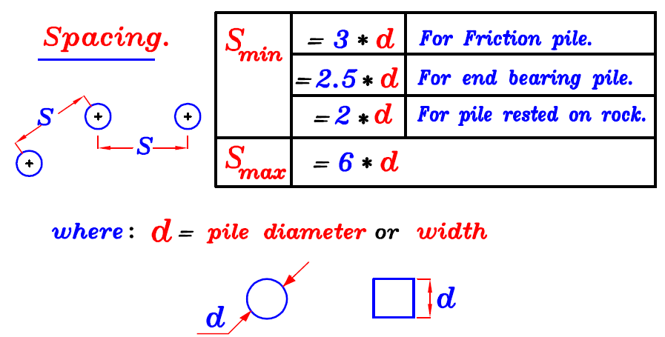
 |  |  |  |  |  |  |  |  |  |  |  |  |  |  |  |  |  |  |  | Remarks
 |  |  |  |  |  |  |  |  | Download |  |  |  |  |  |  |  |  |  |  | 1 | "dx" is the distance from the center of pile to the X-axis (parallel ot Y-axis)
 |  |  |  |  |  |  |  |  |  |  |  |  |  |  |  |  |  |  |  | 2 | "dy" is the distance from the center of pile to the Y-axis (parallel ot X-axis)
 |  |  |  |  |  |  |  |  |  |  |  |  |  |  |  |  |  |  |  | 3 | "d at X-dir" is the distance from the center of pile to the critical section on X-axis
 |  |  |  |  |  |  |  |  |  |  |  |  |  |  |  |  |  |  |  | 4 | "d at Y-dir" is the distance from the center of pile to the critical section on Y-axis
 |  |  |  |  |  |  |  |  |  |  |  |  |  |  |  |  |  |  |  | 5 | if d at X-dir or Y-dir are negative sign, it means that the pile is located inside the critical section
 |  |  |  |  |  |  |  |  | www.civilmdc.com |  |  |  |  |  |  |  |  |  |  |  | in other words, positive means outside
 |  |  |  |  |  |  |  |  |  |  |  |  |  |  |  |  |  |  |  | 6 | "arm X-dir" is distance in Y-dir to be induced moment about X-axis or Mx
 |  |  |  |  |  |  |  |  |  |  |  |  |  |  |  |  |  |  |  | 7 | "arm Y-dir" is distance in X-dir to be induced moment about Y-axis or My
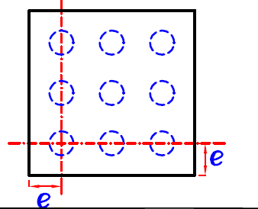
 |  |  |  |  |  |  |  |  |  |  |  |  |  |  |  |  |  |  |  | 8 | reinforcement in X-dir must be determined by "My" and bar arrangement is located in X-dir
 |  |  |  |  |  |  |  |  |  |  |  |  |  |  |  |  |  |  |  | 9 | reinforcement in Y-dir must be determined by "Mx" and bar arrangement is located in Y-dir
 |  |  |  |  |  |  |  |  |  |  |  |  |  |  |  |  |  |  |  | 10 | input moment "Mx" have to be located in X-dir and always have greater values than "My"
 |  |  |  |  |  |  |  |  |  |  |  |  |  |  |  |  |  |  |  | 11 | when "actual distance" in subject "checking shear" is input, the "sign of the distance have to be check and input follow the "actual value"

GW tank design
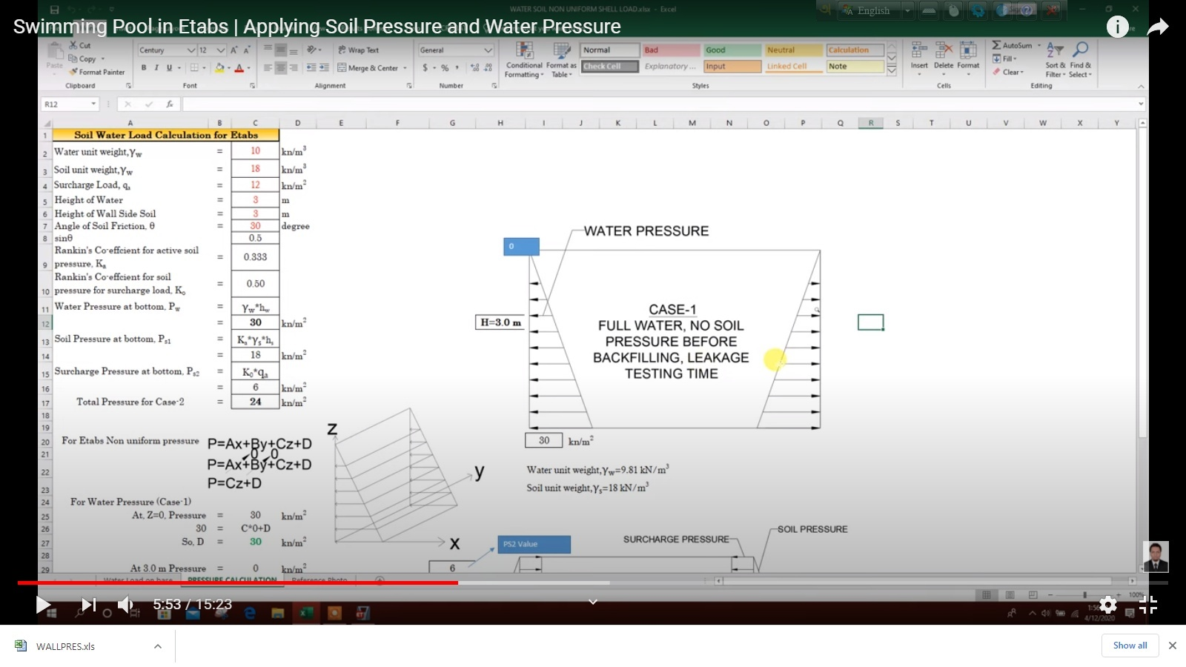

Input Data:
 | Wall Height, H = | 20.000 | ft. | Φ
Depth to GWT, H1 = |  | 20.000 | ft.
Soil Dry Unit Wt., gs = |  | 0.120 | kcf
Soil Sat. Unit Wt., g(sat) = |  | 0.135 | kcf
Soil Friction Angle, f1 = |  | 30.00 | deg.
Soil Friction Angle, f2 = |  | 30.00 | deg.
Active or At-Rest Cond.? |  | At-Rest
Surcharge Load, Q = |  | 0.000 | ksf

Water unit wt. Yw= |  |  |  |  | 10 | kN/m3
Soil unit wt. Ys= |  |  |  |  | 18 | kN/m3
Surcharge Load, Qa = |  |  |  |  | 12 | kN/m3
Height of water, Hw= |  |  |  |  | 2.13 | m
Height of wall side soil, Hs= |  |  |  |  | 3 | m
Angle of Friction,Ɵ |  |  |  |  | 20 | degree
sinƟ |  |  |  |  | 0.34202014333
rankin Co-efficient for active soil pressure, ks= |  |  |  |  | 0.49029059657
rankin Co-efficient for soil pressure for surcharge load, ko= |  |  |  |  | 0.65797985667
Water pressure at bottom, Pw=yw*hw |  |  |  |  | 21.3 | kN/m2
Soil pressure at bottom, Ps1=Ks*Ys*Hs |  |  |  |  | 26.475692215 | kN/m2
Surcharge pressure at bottom, Ps2=ko*qa |  |  |  |  | 7.8957582801 | kN/m2
Total Pressure for case2= |  |  |  |  | 34.371450495 | kN/m2

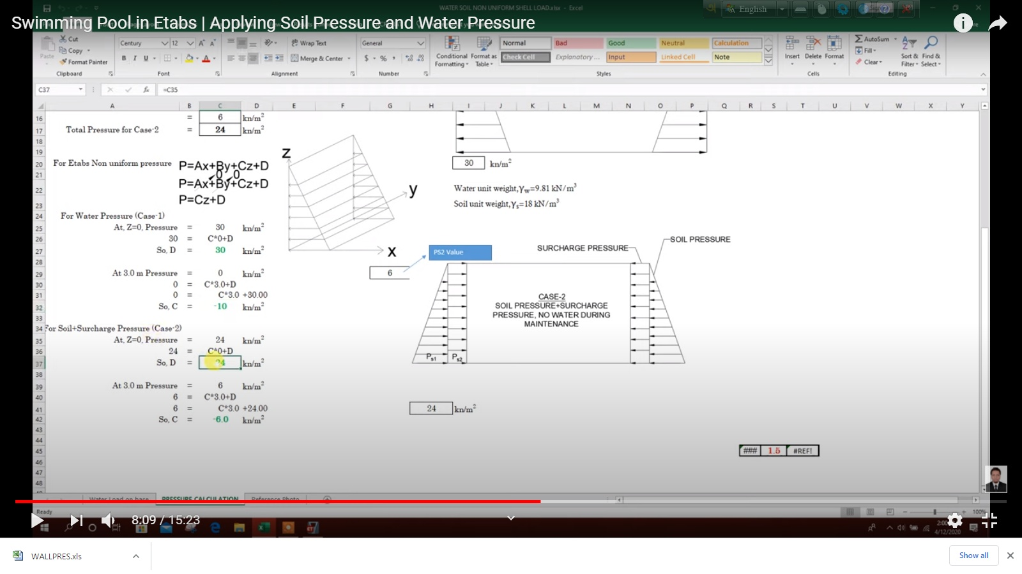
For Etabs Non Uniform pressure,
P=Ax+By+Cz+D
x= | 0
y= | 0
P= | Cz+D

say=
For water pressure, case-1 |  |  |  | C= | 1
At, Z= | 0 |  |  | Pressure= | 21.3 | KN/m2
D= |  |  |  |  | 21.3 | KN/m2

At, Z= | 2.13 |  |  | Pressure= | 0 | KN/m2
C= |  |  |  |  | -10 | KN/m2

For water pressure, case-2 |  |  |  | C= | 1
At, Z= | 0 |  |  | Pressure= | 24 | KN/m2
D= |  |  |  |  | 24 | KN/m2

At, Z= | 2.13 |  |  | Pressure= | 7.8957582801 | KN/m2
C= |  |  |  |  | -7.5606768638 | KN/m2

Loads:
Earth Pressure= |  | SP
Water Pressure= |  | WP
Dead Load= |  | DL
Combination:
Soil Pressure= |  | DL (1)+WP (1)
WP-service= |  | WP (1)
WP (ult)= |  | WP (1.6)
SP-service= |  | SP (1)
SP (ult)= |  | SP (1.6)

check for deflection:
allowable wall deflection= |  | height of the wall/100

